Hoja 1
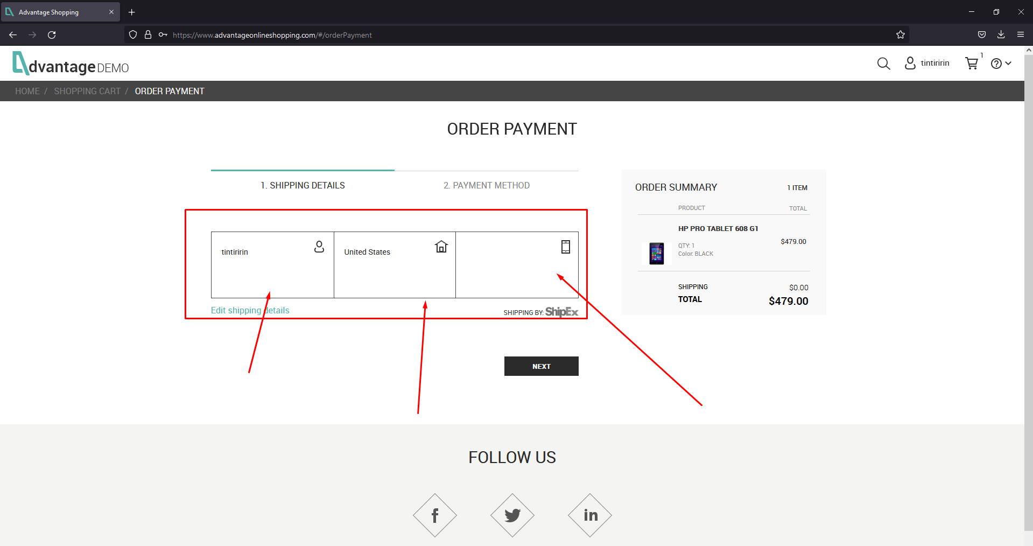
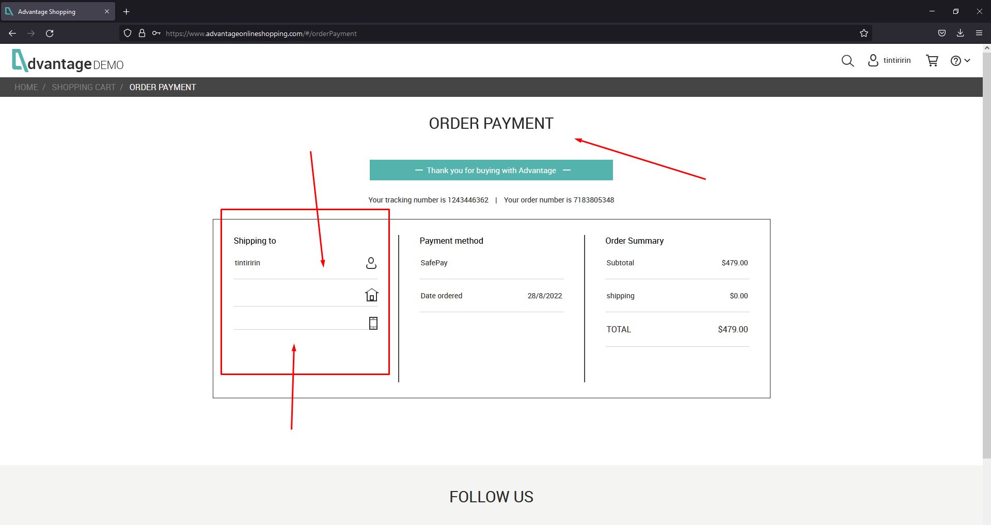
Title: | Error with some non mandatory fields | Evidence: No shipping information is displayed | The application allows to do the buy without address
Pre- requierements: | The user need to be autheticated in the web application
Description: | Currently the address is not a mandatory information requested by the application and is necessary to buy items.
Steps
1. Open the next URl in the browser (https://www.advantageonlineshopping.com/#)
2. Validate that the homepage is loading correctly
3. Click on the avatar account button in the header of the page in the right side.
4. Enter username and password of user just created and press click on SIGN IN
5. Press click on any of the products listed in (OUR PRODUCST or SPECIAL OFFERS or POPULAR ITEMS)
7. Press click on the button ADD TO CART
8. Press click on CHECKOUT
9. Press click on CHECKOUT + total value of the items selected
10. Validate the shipping information
11. Enter the user and password in the textbox and press click on PAY NOW button.
Expected Result: The application should not allow you to complete the buy without shipping address
Actual Result: The application allows to the user to complete the buy without shipping address

Title: | The application does not add more items of the same once you pressed on add to cart button of the same product | Evidence: The application does not add the additional item.
Pre- requierements: | The user need to be autheticated in the web application
Description: | Currently the application do not let you add more of the same items if you have added one and then you press again on add to cart | View evidence on evidence folder (AddingItem.gif)
Steps
1. Open the next URl in the browser (https://www.advantageonlineshopping.com/#)
2. Validate that the homepage is loading correctly
3. Click on the avatar account button in the header of the page in the right side.
4. Enter username and password of user just created and press click on SIGN IN
5. Press click on any of the products listed in (OUR PRODUCST or SPECIAL OFFERS or POPULAR ITEMS)
7. Press click on the button ADD TO CART
7. Press click on the button ADD TO CART once for the same item and without modifiy the amout of items, just try to add 1 more
Expected Result: The application should add one additional item.
Actual Result: The application is not adding the additioanl item.

